JBOF
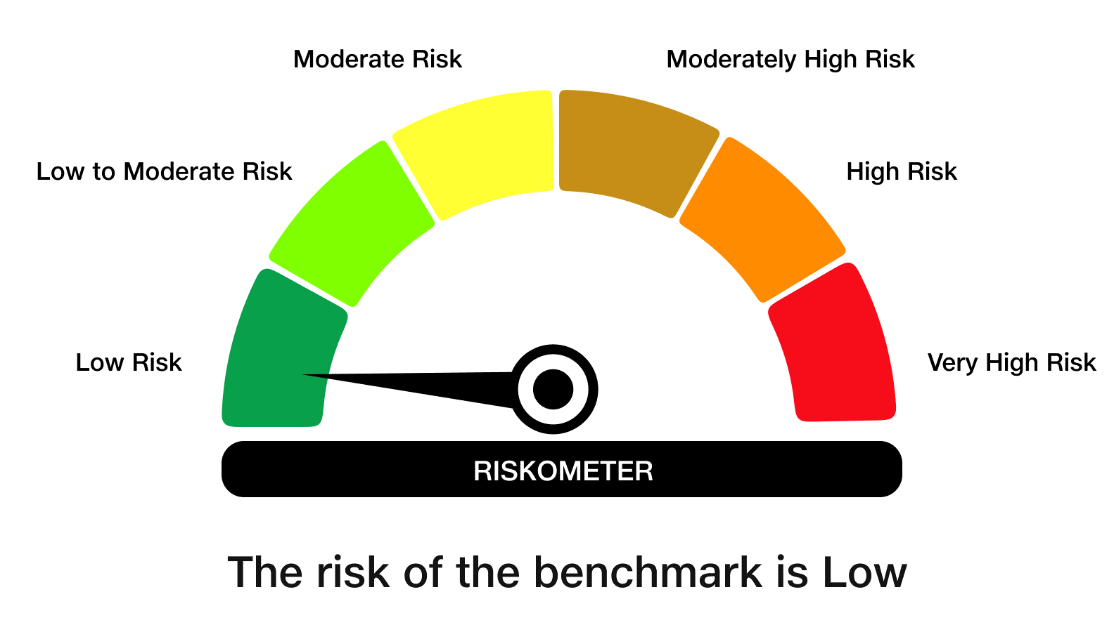
 | JioBlackRock Overnight Fund
-
 | Fortnightly Portfolio Statement as on August 15, 2026
 | Name of the Instrument | ISIN | Rating | Quantity | Market/Fair Value (Rs. in Lakhs) | % to Net Assets | Yield to Maturity | Yield to Call ^
 | Money Market Instruments
 | Treasury Bill
 | 182 DTB (10-SEP-2026) | IN002025Y495 | SOVEREIGN | 2,500,000 | 2,491.30 | 3.33 | 5.10%
 | 182 DTB (21-AUG-2026) | IN002025Y461 | SOVEREIGN | 2,000,000 | 1,998.60 | 2.67 | 5.11%
 | 182 DTB (27-AUG-2026) | IN002025Y479 | SOVEREIGN | 2,000,000 | 1,996.93 | 2.67 | 5.10%
 | 182 DTB (03-SEP-2026) | IN002025Y487 | SOVEREIGN | 2,000,000 | 1,995.03 | 2.67 | 5.05%
 | Sub Total |  |  |  | 8,481.86 | 11.34
 | Total |  |  |  | 8,481.86 | 11.34

 | TREPS |  |  |  | 5.27 | 0.01 | 5.06%

 | Reverse Repo
 | Reverse Repo (17-Aug-2026) |  |  |  | 11,499.68 | 15.38 | 5.30%
 | Reverse Repo (17-Aug-2026) |  |  |  | 10,024.06 | 13.41 | 5.25%
 | Reverse Repo (17-Aug-2026) |  |  |  | 9,199.59 | 12.30 | 5.30%
 | Reverse Repo (17-Aug-2026) |  |  |  | 8,778.14 | 11.74 | 5.25%
 | Reverse Repo (17-Aug-2026) |  |  |  | 7,899.96 | 10.56 | 5.30%
 | Reverse Repo (17-Aug-2026) |  |  |  | 7,156.16 | 9.57 | 5.25%
 | Reverse Repo (17-Aug-2026) |  |  |  | 4,272.90 | 5.71 | 5.25%
 | Reverse Repo (17-Aug-2026) |  |  |  | 2,703.81 | 3.62 | 5.25%
 | Reverse Repo (17-Aug-2026) |  |  |  | 2,551.07 | 3.41 | 5.25%
 | Reverse Repo (17-Aug-2026) |  |  |  | 2,099.54 | 2.81 | 5.25%
 | Total |  |  |  | 66,184.92 | 88.51

 | Net Receivables / (Payables) |  |  |  | 104.16 | 0.14
 | Grand Total |  |  |  | 74,776.22 | 100.00

 | ^ It is disclosed for Perpetual Bond issued by Banks (i.e. AT-1 Bond / Tier 1 Bond / Tier 2 Bond), as per AMFI Best Practices Guidelines Circular no. 91/2020-21 dated March 24, 2021 on Valuation of AT-1 Bonds and Tier 2 Bonds. As per SEBI Circular SEBI/HO/IMD/PoD1/CIR/P/2024/106 dated August 05, 2024, valuation of AT-1 Bonds are done on Yield to Call basis w.e.f. August 07, 2024. YTC of AT-1 Bonds are now same as it’s YTM% and hence it is not disclosed separately under YTC%.
 | Notes

 | (1) There is no security which is in default beyond its maturity/ interest payment date.
 | (2) Plan/ Option wise per unit net asset value are as follows:

 | Plan/ Option | As on July 31, 2026 | As on August 15, 2026
 | Direct Plan - Growth Option | 1057.9602 | 1060.1488
 | Unclaimed Redemption - Upto 3 years - Growth Option | 1034.5396 | 1036.6731

 | (3) There was no distribution (of income and capital) during the fortnight ended August 15, 2026.
 | (4) Total outstanding exposure in derivative instruments as on August 15, 2026 is Rs. Nil.
 | (5) Total market value of investments in foreign securities/ American Depository Receipts/ Global Depository Receipts as at August 15, 2026 is Rs. Nil.
 | (6) The average maturity period of the portfolio is 0.01 years.
 | (7) Repo transactions in corporate debt securities as on August 15, 2026 is Rs. Nil.

 | Scheme Risk-O-Meter

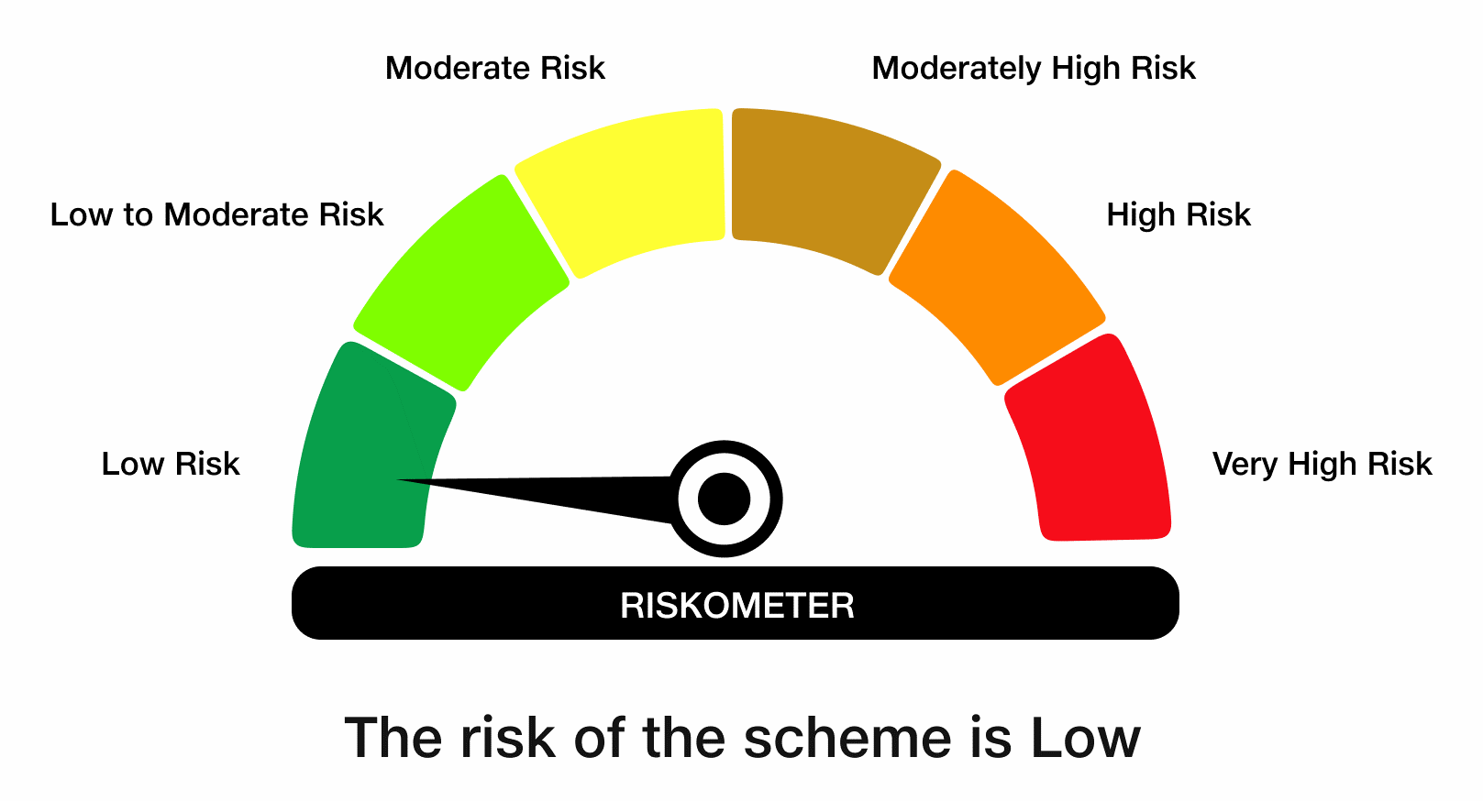

 | Benchmark Risk-O-Meter
 | Benchmark Name - NIFTY 1D Rate Index

