JBMMF
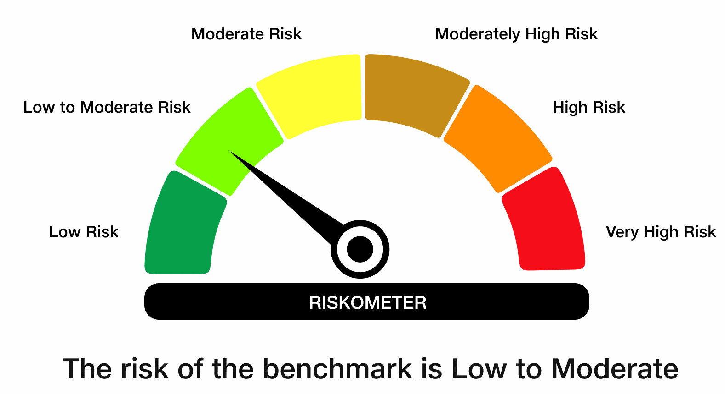
 | JioBlackRock Money Market Fund
-
 | Fortnightly Portfolio Statement as on August 15, 2026
 | Name of the Instrument | ISIN | Rating | Quantity | Market/Fair Value (Rs. in Lakhs) | % to Net Assets | Yield to Maturity | Yield to Call ^
 | Money Market Instruments
 | Certificate of Deposit
 | HDFC Bank Ltd (05-Mar-2027) ** | INE040A16IU7 | CRISIL A1+ | 4,800 | 23,142.31 | 6.49 | 6.73%
 | Canara Bank (12-Mar-2027) | INE476A16H92 | ICRA A1+ | 4,460 | 21,481.05 | 6.03 | 6.69%
 | National Bank For Agriculture & Rural Development (17-Mar-2027) ** | INE261F16AP5 | ICRA A1+ | 3,500 | 16,831.59 | 4.72 | 6.81%
 | Bank of Baroda (05-Mar-2027) ** | INE028A16LR2 | CRISIL A1+ | 3,000 | 14,468.18 | 4.06 | 6.68%
 | Export-Import Bank Of India (01-Mar-2027) ** | INE514E16CP6 | CRISIL A1+ | 2,000 | 9,653.52 | 2.71 | 6.65%
 | Union Bank of India (15-Mar-2027) ** | INE692A16LP9 | CRISIL A1+ | 2,000 | 9,627.13 | 2.70 | 6.70%
 | Union Bank of India (16-Mar-2027) ** | INE692A16LS3 | ICRA A1+ | 2,000 | 9,625.43 | 2.70 | 6.70%
 | Union Bank of India (15-Jun-2027) ** | INE692A16MQ5 | ICRA A1+ | 2,000 | 9,457.50 | 2.65 | 6.91%
 | Small Industries Development Bank of India (11-Jun-2027) ** | INE556F16CE8 | CRISIL A1+ | 2,000 | 9,453.65 | 2.65 | 7.06%
 | National Bank For Agriculture & Rural Development (02-Mar-2027) ** | INE261F16AM2 | CRISIL A1+ | 1,800 | 8,679.60 | 2.44 | 6.81%
 | Small Industries Development Bank of India (11-Aug-2027) ** | INE556F16CF5 | CRISIL A1+ | 1,800 | 8,404.80 | 2.36 | 7.18%
 | Small Industries Development Bank of India (26-Feb-2027) ** | INE556F16CC2 | CARE A1+ | 1,500 | 7,237.09 | 2.03 | 6.84%
 | Bank of Baroda (08-Mar-2027) ** | INE028A16LS0 | CARE A1+ | 1,500 | 7,230.26 | 2.03 | 6.68%
 | HDFC Bank Ltd (12-Mar-2027) | INE040A16IZ6 | CRISIL A1+ | 1,500 | 7,222.99 | 2.03 | 6.73%
 | Punjab National Bank (09-Mar-2027) ** | INE160A16UQ6 | CRISIL A1+ | 1,300 | 6,265.12 | 1.76 | 6.68%
 | Union Bank of India (12-Mar-2027) | INE692A16LU9 | ICRA A1+ | 1,300 | 6,260.95 | 1.76 | 6.70%
 | National Bank For Agriculture & Rural Development (04-Feb-2027) ** | INE261F16AJ8 | CRISIL A1+ | 1,000 | 4,844.87 | 1.36 | 6.79%
 | Canara Bank (02-Mar-2027) ** | INE476A16H35 | CRISIL A1+ | 1,000 | 4,825.05 | 1.35 | 6.68%
 | ICICI Bank Ltd (08-Mar-2027) | INE090AD6295 | CRISIL A1+ | 1,000 | 4,820.30 | 1.35 | 6.67%
 | Kotak Mahindra Bank Ltd (09-Mar-2027) ** | INE237AD6174 | CRISIL A1+ | 1,000 | 4,819.59 | 1.35 | 6.67%
 | HDFC Bank Ltd (09-Mar-2027) ** | INE040A16IT9 | CRISIL A1+ | 1,000 | 4,817.89 | 1.35 | 6.73%
 | Canara Bank (11-Mar-2027) ** | INE476A16H84 | ICRA A1+ | 1,000 | 4,817.39 | 1.35 | 6.68%
 | Punjab National Bank (12-Mar-2027) ** | INE160A16UV6 | CRISIL A1+ | 1,000 | 4,816.78 | 1.35 | 6.68%
 | Canara Bank (25-Mar-2027) ** | INE476A16I26 | ICRA A1+ | 1,000 | 4,805.52 | 1.35 | 6.68%
 | Sub Total |  |  |  | 213,608.56 | 59.93
 | Commercial Paper
 | ICICI Home Finance Co Ltd (24-Jun-2027) ** | INE071G14IA6 | CRISIL A1+ | 6,000 | 28,267.53 | 7.93 | 7.17%
 | ICICI Securities Ltd (14-Jun-2027) ** | INE763G14L45 | CRISIL A1+ | 4,000 | 18,841.70 | 5.29 | 7.43%
 | Cholamandalam Investment and Finance Co Ltd (10-Mar-2027) ** | INE121A14YN2 | ICRA A1+ | 3,000 | 14,411.93 | 4.04 | 7.23%
 | L&T Finance Ltd (10-Jun-2027) ** | INE498L14GA5 | CRISIL A1+ | 2,000 | 9,434.26 | 2.65 | 7.35%
 | Kotak Mahindra Prime Ltd (25-Jun-2027) ** | INE916D146U1 | CRISIL A1+ | 2,000 | 9,407.46 | 2.64 | 7.35%
 | L&T Finance Ltd (17-Jun-2027) ** | INE498L14FZ4 | CRISIL A1+ | 1,500 | 7,066.31 | 1.98 | 7.35%
 | Mahindra & Mahindra Financial Services Ltd (25-Feb-2027) ** | INE774D14TW3 | CRISIL A1+ | 800 | 3,855.56 | 1.08 | 7.09%
 | Sub Total |  |  |  | 91,284.74 | 25.61
 | Treasury Bill
 | 364 DTB (04-FEB-2027) | IN002025Z443 | SOVEREIGN | 15,000,000 | 14,619.05 | 4.10 | 5.53%
 | Sub Total |  |  |  | 14,619.05 | 4.10
 | Total |  |  |  | 319,512.34 | 89.64
 | Government Securities
 | 5.74% GOI 2026 (15-NOV-2026) | IN0020210186 | SOVEREIGN | 25,500,000 | 25,519.94 | 7.16 | 5.30%
 | Total |  |  |  | 25,519.94 | 7.16
 | Alternative Investment Fund
 | Corporate Debt Market Development Fund Class A2 | INF0RQ622028 |  | 6,927 | 827.71 | 0.23
 | Sub Total |  |  |  | 827.71 | 0.23

 | TREPS |  |  |  | 10,293.91 | 2.89 | 5.06%

 | Net Receivables / (Payables) |  |  |  | 278.05 | 0.08
 | Grand Total |  |  |  | 356,431.95 | 100.00

 | ** Non Traded Security
 | ^ It is disclosed for Perpetual Bond issued by Banks (i.e. AT-1 Bond / Tier 1 Bond / Tier 2 Bond), as per AMFI Best Practices Guidelines Circular no. 91/2020-21 dated March 24, 2021 on Valuation of AT-1 Bonds and Tier 2 Bonds. As per SEBI Circular SEBI/HO/IMD/PoD1/CIR/P/2024/106 dated August 05, 2024, valuation of AT-1 Bonds are done on Yield to Call basis w.e.f. August 07, 2024. YTC of AT-1 Bonds are now same as it’s YTM% and hence it is not disclosed separately under YTC%.

 | Aggregate Investments by other schemes (at NAV) as on August 15, 2026, is Rs.6,185.42 Lakh's.

 | Notes

 | (1) There is no security which is in default beyond its maturity/ interest payment date.
 | (2) Plan/ Option wise per unit net asset value are as follows:

 | Plan/ Option | As on July 31, 2026 | As on August 14, 2026
 | Direct Plan - Growth Option | 1067.4621 | 1071.3901

 | (3) There was no distribution (of income and capital) during the fortnight ended August 15, 2026.
 | (4) Total outstanding exposure in derivative instruments as on August 15, 2026 is Rs. Nil.
 | (5) Total market value of investments in foreign securities/ American Depository Receipts/ Global Depository Receipts as at August 15, 2026 is Rs. Nil.
 | (6) The average maturity period of the portfolio is 0.60 years.
 | (7) Repo transactions in corporate debt securities as on August 15, 2026 is Rs. Nil.

 | Scheme Risk-O-Meter

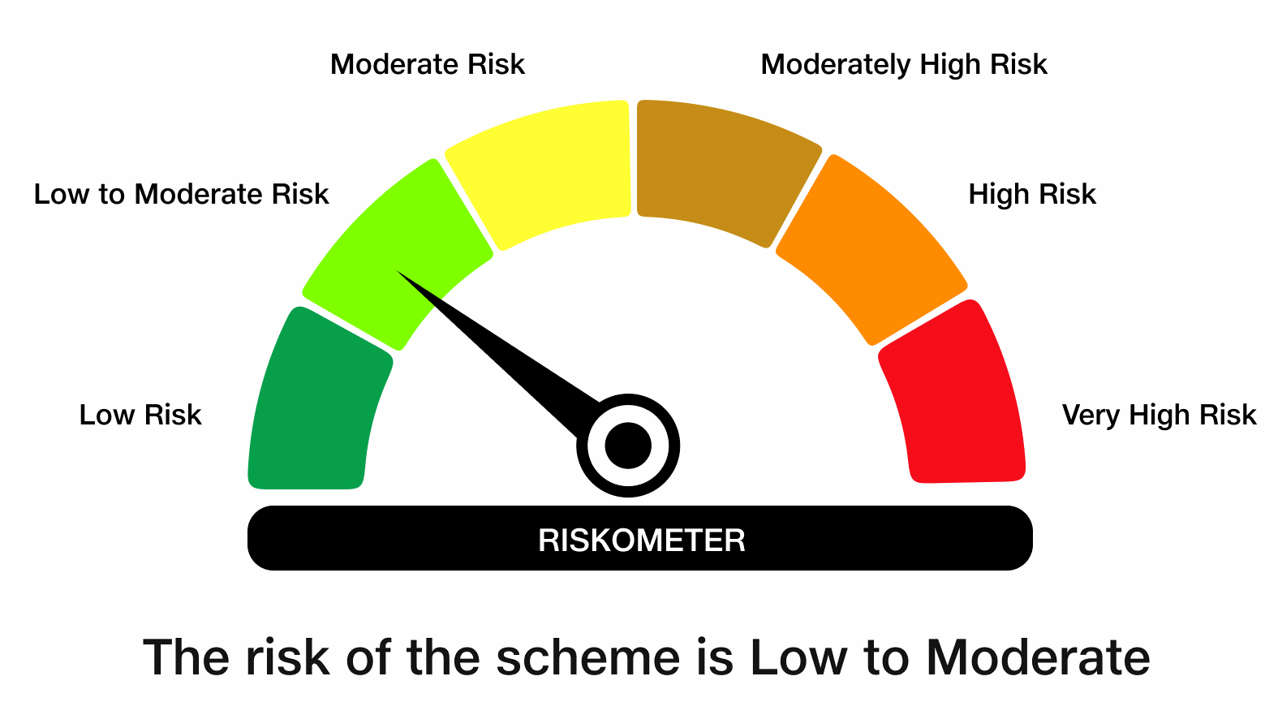

 | Benchmark Risk-O-Meter
 | Benchmark Name - NIFTY Money Market Index A-I

