JBLF
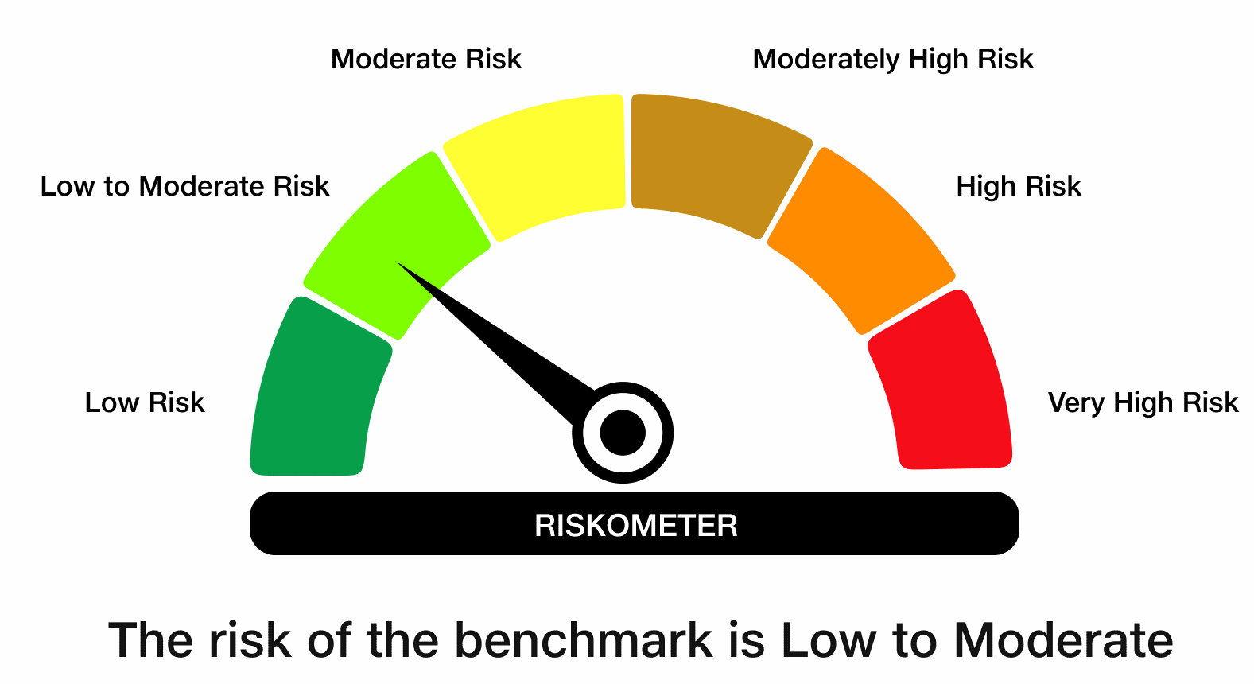
 | JioBlackRock Liquid Fund
-
 | Fortnightly Portfolio Statement as on August 15, 2026
 | Name of the Instrument | ISIN | Rating | Quantity | Market/Fair Value (Rs. in Lakhs) | % to Net Assets | Yield to Maturity | Yield to Call ^
 | Money Market Instruments
 | Certificate of Deposit
 | Axis Bank Ltd (16-Sep-2026) ** | INE238AD6CQ9 | CRISIL A1+ | 6,500 | 32,328.27 | 2.64 | 6.26%
 | Union Bank of India (23-Oct-2026) ** | INE692A16MZ6 | CRISIL A1+ | 5,700 | 28,167.03 | 2.30 | 6.35%
 | Union Bank of India (30-Oct-2026) ** | INE692A16NE9 | CRISIL A1+ | 5,400 | 26,652.51 | 2.18 | 6.35%
 | Bank of Baroda (04-Sep-2026) | INE028A16MO7 | CRISIL A1+ | 5,000 | 24,919.83 | 2.04 | 6.18%
 | IDFC First Bank Ltd (22-Oct-2026) ** | INE092T16ZZ1 | CRISIL A1+ | 5,000 | 24,706.15 | 2.02 | 6.48%
 | HDFC Bank Ltd (30-Oct-2026) ** | INE040A16JW1 | CRISIL A1+ | 5,000 | 24,677.15 | 2.02 | 6.37%
 | HDFC Bank Ltd (10-Sep-2026) | INE040A16HL8 | CRISIL A1+ | 4,000 | 19,914.74 | 1.63 | 6.25%
 | ICICI Bank Ltd (15-Sep-2026) ** | INE090AD6378 | CRISIL A1+ | 4,000 | 19,898.36 | 1.63 | 6.21%
 | Union Bank of India (07-Sep-2026) ** | INE692A16MK8 | CRISIL A1+ | 3,000 | 14,944.11 | 1.22 | 6.20%
 | Union Bank of India (21-Sep-2026) ** | INE692A16MM4 | CRISIL A1+ | 3,000 | 14,908.68 | 1.22 | 6.21%
 | Punjab National Bank (15-Sep-2026) ** | INE160A16UT0 | CRISIL A1+ | 2,600 | 12,934.04 | 1.06 | 6.21%
 | Bank of Baroda (01-Sep-2026) | INE028A16MM1 | CARE A1+ | 2,500 | 12,466.13 | 1.02 | 6.20%
 | Bank of Baroda (16-Sep-2026) ** | INE028A16KC6 | CRISIL A1+ | 2,500 | 12,434.46 | 1.02 | 6.21%
 | HDFC Bank Ltd (21-Sep-2026) | INE040A16HR5 | CRISIL A1+ | 2,500 | 12,423.48 | 1.02 | 6.25%
 | Axis Bank Ltd (10-Sep-2026) ** | INE238AD6CD7 | CRISIL A1+ | 2,300 | 11,450.94 | 0.94 | 6.26%
 | Axis Bank Ltd (25-Aug-2026) | INE238AD6CJ4 | CRISIL A1+ | 2,000 | 9,984.54 | 0.82 | 6.28%
 | Punjab & Sind Bank (31-Aug-2026) ** | INE608A16TH5 | CRISIL A1+ | 2,000 | 9,974.16 | 0.82 | 6.31%
 | HDFC Bank Ltd (04-Sep-2026) ** | INE040A16JN0 | CRISIL A1+ | 2,000 | 9,967.57 | 0.81 | 6.25%
 | HDFC Bank Ltd (07-Sep-2026) | INE040A16JO8 | CRISIL A1+ | 2,000 | 9,962.47 | 0.81 | 6.25%
 | Punjab & Sind Bank (11-Sep-2026) ** | INE608A16TJ1 | CRISIL A1+ | 2,000 | 9,955.25 | 0.81 | 6.31%
 | Union Bank of India (15-Sep-2026) | INE692A16LJ2 | CRISIL A1+ | 2,000 | 9,949.22 | 0.81 | 6.21%
 | HDFC Bank Ltd (09-Sep-2026) | INE040A16JP5 | CRISIL A1+ | 1,500 | 7,469.31 | 0.61 | 6.25%
 | HDFC Bank Ltd (11-Sep-2026) | INE040A16HN4 | CRISIL A1+ | 1,500 | 7,466.71 | 0.61 | 6.26%
 | HDFC Bank Ltd (06-Nov-2026) | INE040A16HU9 | CRISIL A1+ | 1,500 | 7,393.27 | 0.60 | 6.43%
 | Indian Bank (01-Sep-2026) ** | INE562A16RC9 | CRISIL A1+ | 1,000 | 4,986.44 | 0.41 | 6.20%
 | Canara Bank (15-Sep-2026) | INE476A16I18 | CRISIL A1+ | 1,000 | 4,974.69 | 0.41 | 6.19%
 | Sub Total |  |  |  | 384,909.50 | 31.45
 | Commercial Paper
 | Tata Steel Ltd (29-Sep-2026) ** | INE081A14HE2 | CRISIL A1+ | 10,000 | 49,610.10 | 4.05 | 6.52%
 | Kotak Securities Ltd (25-Sep-2026) ** | INE028E14VX6 | CRISIL A1+ | 9,500 | 47,154.53 | 3.85 | 6.69%
 | LIC Housing Finance Ltd (27-Aug-2026) ** | INE115A14FV6 | CRISIL A1+ | 8,000 | 39,924.68 | 3.26 | 6.26%
 | National Bank For Agriculture & Rural Development (07-Sep-2026) | INE261F14PP8 | CRISIL A1+ | 8,000 | 39,849.16 | 3.26 | 6.28%
 | National Bank For Agriculture & Rural Development (03-Sep-2026) | INE261F14PN3 | CRISIL A1+ | 7,000 | 34,892.10 | 2.85 | 6.27%
 | Grasim Industries Ltd (17-Sep-2026) ** | INE047A14BA4 | CRISIL A1+ | 7,000 | 34,806.84 | 2.84 | 6.33%
 | ICICI Securities Ltd (10-Sep-2026) ** | INE763G14K53 | CRISIL A1+ | 6,800 | 33,845.50 | 2.77 | 6.67%
 | REC Ltd (22-Oct-2026) ** | INE020B14714 | CRISIL A1+ | 6,500 | 32,122.35 | 2.63 | 6.41%
 | NTPC Ltd (23-Sep-2026) ** | INE733E14CD3 | CRISIL A1+ | 6,000 | 29,805.78 | 2.44 | 6.26%
 | PNB Housing Finance Ltd (27-Oct-2026) ** | INE572E14KQ0 | CRISIL A1+ | 5,500 | 27,150.56 | 2.22 | 6.52%
 | ICICI Securities Ltd (31-Aug-2026) ** | INE763G14J64 | CRISIL A1+ | 4,500 | 22,439.52 | 1.83 | 6.56%
 | ICICI Securities Ltd (25-Sep-2026) ** | INE763G14B96 | CRISIL A1+ | 4,000 | 19,854.76 | 1.62 | 6.68%
 | National Bank For Agriculture & Rural Development (01-Oct-2026) ** | INE261F14PX2 | CRISIL A1+ | 4,000 | 19,839.24 | 1.62 | 6.43%
 | Export-Import Bank Of India (04-Nov-2026) ** | INE514E14TS9 | CRISIL A1+ | 4,000 | 19,722.48 | 1.61 | 6.42%
 | L&T Finance Ltd (21-Sep-2026) ** | INE498L14GD9 | CRISIL A1+ | 3,500 | 17,387.25 | 1.42 | 6.57%
 | Tata Consumer Products Ltd (21-Aug-2026) ** | INE192A14887 | CRISIL A1+ | 3,000 | 14,987.00 | 1.22 | 6.33%
 | L&T Finance Ltd (31-Aug-2026) ** | INE498L14GH0 | CRISIL A1+ | 3,000 | 14,960.54 | 1.22 | 6.42%
 | Kotak Securities Ltd (01-Sep-2026) ** | INE028E14WS4 | CRISIL A1+ | 3,000 | 14,956.25 | 1.22 | 6.68%
 | HDFC Securities Ltd (02-Sep-2026) ** | INE700G14TX9 | CRISIL A1+ | 3,000 | 14,953.52 | 1.22 | 6.68%
 | Kotak Securities Ltd (03-Sep-2026) ** | INE028E14WU0 | CRISIL A1+ | 3,000 | 14,950.79 | 1.22 | 6.68%
 | National Bank For Agriculture & Rural Development (08-Sep-2026) | INE261F14PQ6 | CRISIL A1+ | 3,000 | 14,940.87 | 1.22 | 6.28%
 | Tata Consumer Products Ltd (18-Aug-2026) ** | INE192A14879 | CRISIL A1+ | 2,000 | 9,996.53 | 0.82 | 6.33%
 | Kotak Mahindra Investments Ltd (19-Aug-2026) ** | INE975F14D24 | CRISIL A1+ | 2,000 | 9,994.51 | 0.82 | 6.69%
 | Can Fin Homes Ltd (21-Aug-2026) ** | INE477A14EH2 | CRISIL A1+ | 2,000 | 9,991.35 | 0.82 | 6.32%
 | Cholamandalam Investment and Finance Co Ltd (21-Aug-2026) ** | INE121A14YT9 | ICRA A1+ | 2,000 | 9,991.03 | 0.82 | 6.56%
 | HDFC Securities Ltd (04-Sep-2026) ** | INE700G14UD9 | CRISIL A1+ | 2,000 | 9,965.38 | 0.81 | 6.67%
 | NTPC Ltd (18-Sep-2026) ** | INE733E14CC5 | CRISIL A1+ | 2,000 | 9,943.73 | 0.81 | 6.26%
 | Axis Securities Ltd (04-Sep-2026) ** | INE110O14IQ2 | CRISIL A1+ | 1,500 | 7,474.04 | 0.61 | 6.67%
 | ICICI Securities Ltd (16-Sep-2026) ** | INE763G14K79 | CRISIL A1+ | 1,500 | 7,457.72 | 0.61 | 6.67%
 | Axis Securities Ltd (04-Nov-2026) ** | INE110O14JH9 | CRISIL A1+ | 1,500 | 7,388.43 | 0.60 | 6.89%
 | Kotak Securities Ltd (19-Aug-2026) ** | INE028E14WI5 | CRISIL A1+ | 1,000 | 4,997.31 | 0.41 | 6.55%
 | Reliance Retail Ventures Ltd (02-Sep-2026) ** | INE929O14FA5 | CRISIL A1+ | 1,000 | 4,985.39 | 0.41 | 6.30%
 | Julius Baer Capital (India) Pvt Ltd (25-Sep-2026) ** | INE824H14UQ7 | CRISIL A1+ | 1,000 | 4,963.05 | 0.41 | 6.80%
 | L&T Finance Ltd (01-Sep-2026) ** | INE498L14FW1 | CRISIL A1+ | 700 | 3,489.96 | 0.29 | 6.56%
 | Sub Total |  |  |  | 658,792.20 | 53.84
 | Treasury Bill
 | 91 DTB (01-OCT-2026) | IN002026X131 | SOVEREIGN | 60,000,000 | 59,610.24 | 4.87 | 5.19%
 | 91 DTB (29-OCT-2026) | IN002026X172 | SOVEREIGN | 48,500,000 | 47,990.17 | 3.92 | 5.24%
 | 182 DTB (18-SEP-2026) | IN002025Y503 | SOVEREIGN | 35,000,000 | 34,838.09 | 2.85 | 5.14%
 | 91 DTB (05-NOV-2026) | IN002026X180 | SOVEREIGN | 34,000,000 | 33,608.83 | 2.75 | 5.24%
 | 91 DTB (22-OCT-2026) | IN002026X164 | SOVEREIGN | 25,000,000 | 24,762.05 | 2.02 | 5.24%
 | 91 DTB (15-OCT-2026) | IN002026X156 | SOVEREIGN | 12,000,000 | 11,898.23 | 0.97 | 5.20%
 | 182 DTB (22-OCT-2026) | IN002026Y030 | SOVEREIGN | 9,500,000 | 9,409.58 | 0.77 | 5.24%
 | 364 DTB (20-AUG-2026) | IN002025Z211 | SOVEREIGN | 2,500,000 | 2,498.60 | 0.20 | 5.10%
 | 182 DTB (27-AUG-2026) | IN002025Y479 | SOVEREIGN | 1,500,000 | 1,497.70 | 0.12 | 5.10%
 | Sub Total |  |  |  | 226,113.49 | 18.48
 | Total |  |  |  | 1,269,815.18 | 103.77
 | Alternative Investment Fund
 | Corporate Debt Market Development Fund Class A2 | INF0RQ622028 |  | 15,348 | 1,834.06 | 0.15
 | Sub Total |  |  |  | 1,834.06 | 0.15

 | TREPS |  |  |  | 776.98 | 0.06 | 5.06%

 | Reverse Repo
 | Reverse Repo (18-Sep-2026) |  |  |  | 10,189.55 | 0.83 | 5.36%
 | Reverse Repo (18-Sep-2026) |  |  |  | 4,999.63 | 0.41 | 5.36%
 | Reverse Repo (18-Sep-2026) |  |  |  | 4,894.04 | 0.40 | 5.36%
 | Total |  |  |  | 20,083.22 | 1.64

 | Net Receivables / (Payables) |  |  |  | (68,813.51) | (5.62)
 | Grand Total |  |  |  | 1,223,695.93 | 100.00

 | ** Non Traded Security
 | ^ It is disclosed for Perpetual Bond issued by Banks (i.e. AT-1 Bond / Tier 1 Bond / Tier 2 Bond), as per AMFI Best Practices Guidelines Circular no. 91/2020-21 dated March 24, 2021 on Valuation of AT-1 Bonds and Tier 2 Bonds. As per SEBI Circular SEBI/HO/IMD/PoD1/CIR/P/2024/106 dated August 05, 2024, valuation of AT-1 Bonds are done on Yield to Call basis w.e.f. August 07, 2024. YTC of AT-1 Bonds are now same as it’s YTM% and hence it is not disclosed separately under YTC%.

 | Aggregate Investments by other schemes (at NAV) as on August 15, 2026, is Rs.1,569.5 Lakh's.

 | Notes

 | (1) There is no security which is in default beyond its maturity/ interest payment date.
 | (2) Plan/ Option wise per unit net asset value are as follows:

 | Plan/ Option | As on July 31, 2026 | As on August 15, 2026
 | Direct Plan - Growth Option | 1069.3387 | 1072.3444

 | (3) There was no distribution (of income and capital) during the fortnight ended August 15, 2026.
 | (4) Total outstanding exposure in derivative instruments as on August 15, 2026 is Rs. Nil.
 | (5) Total market value of investments in foreign securities/ American Depository Receipts/ Global Depository Receipts as at August 15, 2026 is Rs. Nil.
 | (6) The average maturity period of the portfolio is 0.11 years.
 | (7) Repo transactions in corporate debt securities as on August 15, 2026 is Rs. Nil.

 | Scheme Risk-O-Meter

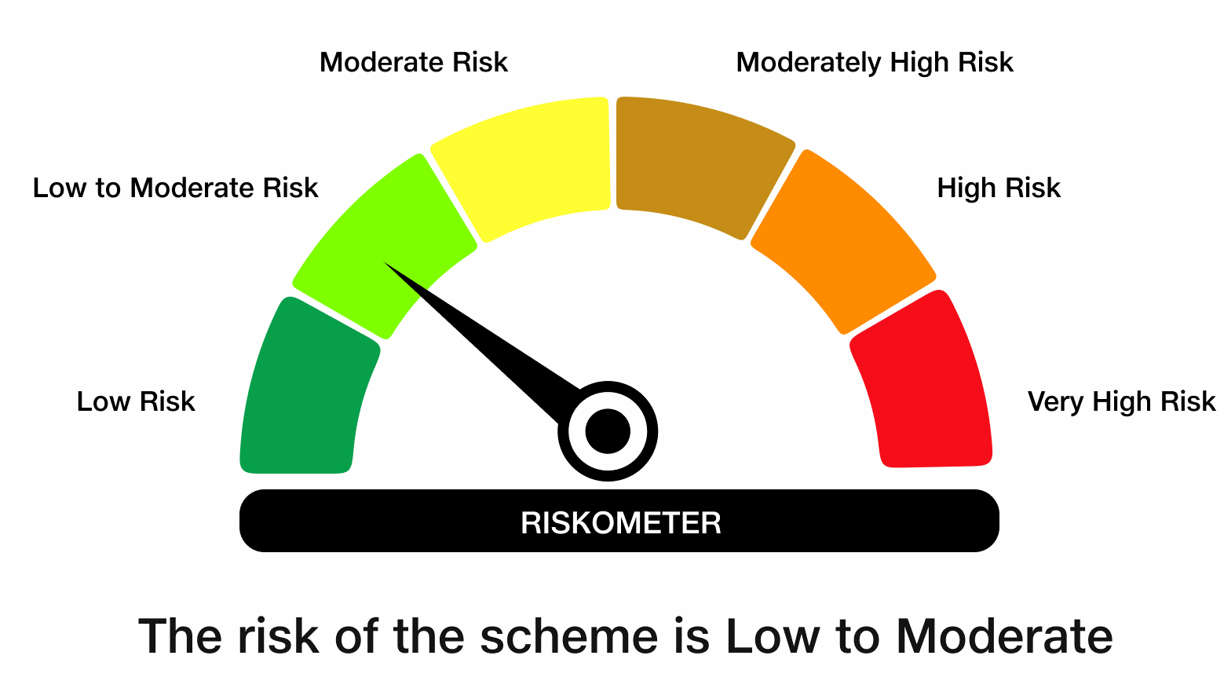

 | Benchmark Risk-O-Meter
 | Benchmark Name - NIFTY Liquid Index A-I

