JBLOW
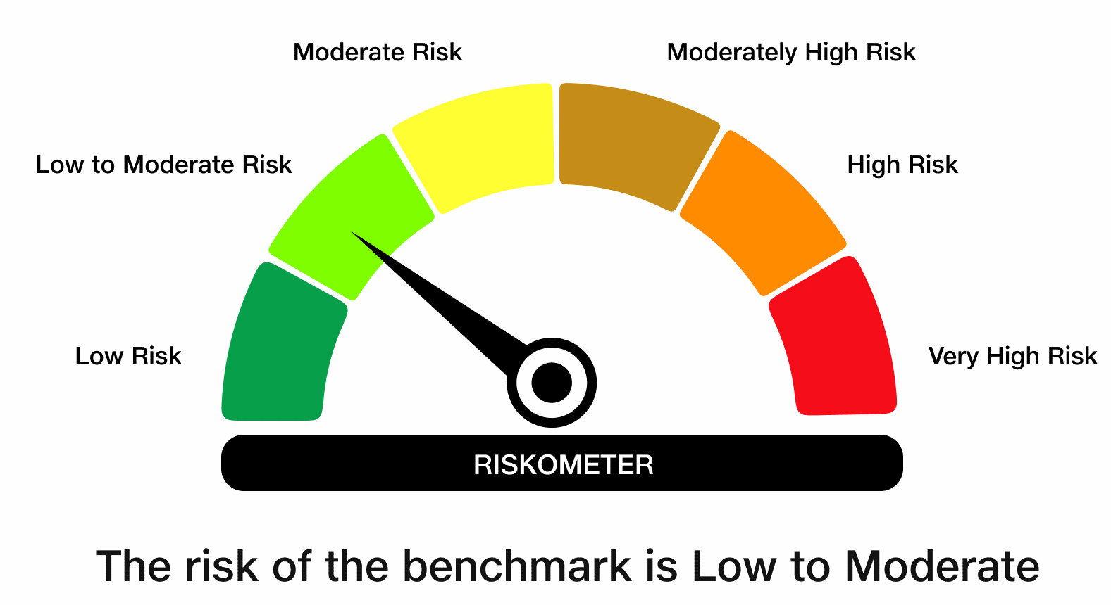
 | JioBlackRock Low Duration Fund
-
 | Fortnightly Portfolio Statement as on August 15, 2026
 | Name of the Instrument | ISIN | Rating | Quantity | Market/Fair Value (Rs. in Lakhs) | % to Net Assets | Yield to Maturity | Yield to Call ^
 | Debt Instruments
 | (a) Listed / awaiting listing on Stock Exchanges
 | 7.3763% Bajaj Finance Ltd (26-Jun-2028) ** | INE296A07TJ4 | CRISIL AAA | 5,000 | 4,971.28 | 6.98 | 7.70%
 | 7.1554% Kotak Mahindra Prime Ltd (19-Jun-2028) ** | INE916DA7TA4 | CRISIL AAA | 5,000 | 4,953.52 | 6.95 | 7.70%
 | 7.77% REC Ltd (31-Mar-2028) ** | INE020B08EH0 | CRISIL AAA | 2,500 | 2,520.70 | 3.54 | 7.17%
 | 7.8% LIC Housing Finance Ltd (22-Dec-2027) | INE115A07QC7 | CRISIL AAA | 250 | 2,510.52 | 3.52 | 7.41%
 | 7.45% Power Finance Corporation Ltd (15-Jul-2028) | INE134E08NP7 | CRISIL AAA | 2,500 | 2,508.31 | 3.52 | 7.25%
 | 7.53% National Bank For Agriculture & Rural Development (24-Mar-2028) ** | INE261F08EM1 | ICRA AAA | 2,500 | 2,507.20 | 3.52 | 7.29%
 | 7.48% National Bank For Agriculture & Rural Development (15-Sep-2028) | INE261F08EO7 | CRISIL AAA | 2,500 | 2,506.97 | 3.52 | 7.32%
 | 7.27% Tata Capital Housing Finance Ltd (25-Apr-2028) ** | INE033L07IN3 | CRISIL AAA | 2,500 | 2,490.36 | 3.49 | 7.49%
 | 6.6% REC Ltd (30-Jun-2027) ** | INE020B08FZ9 | CRISIL AAA | 2,500 | 2,488.71 | 3.49 | 7.09%
 | 7.24% Sundaram Finance Ltd (14-Feb-2028) ** | INE660A07SC8 | CRISIL AAA | 2,500 | 2,484.35 | 3.49 | 7.66%
 | 7.11% Bajaj Finance Ltd (10-Jul-2028) ** | INE296A07TM8 | CRISIL AAA | 2,500 | 2,473.39 | 3.47 | 7.72%
 | Sub Total |  |  |  | 32,415.30 | 45.49
 | (b) Privately Placed / Unlisted
 | Sub Total |  |  |  | Nil | Nil
 | Total |  |  |  | 32,415.30 | 45.49
 | Money Market Instruments
 | Certificate of Deposit
 | Canara Bank (04-Mar-2027) | INE476A16H43 | CRISIL A1+ | 1,000 | 4,823.96 | 6.77 | 6.66%
 | Union Bank of India (12-Mar-2027) | INE692A16LU9 | ICRA A1+ | 1,000 | 4,816.12 | 6.76 | 6.70%
 | HDFC Bank Ltd (12-Mar-2027) | INE040A16IZ6 | CRISIL A1+ | 1,000 | 4,815.33 | 6.76 | 6.73%
 | Bank of Baroda (05-Mar-2027) ** | INE028A16LR2 | CRISIL A1+ | 800 | 3,858.18 | 5.41 | 6.68%
 | Axis Bank Ltd (17-Dec-2026) ** | INE238AD6CB1 | CRISIL A1+ | 500 | 2,445.61 | 3.43 | 6.60%
 | HDFC Bank Ltd (24-Feb-2027) ** | INE040A16IO0 | CARE A1+ | 500 | 2,414.52 | 3.39 | 6.73%
 | Kotak Mahindra Bank Ltd (05-Mar-2027) | INE237AD6166 | CRISIL A1+ | 500 | 2,411.55 | 3.38 | 6.66%
 | Punjab National Bank (09-Mar-2027) ** | INE160A16UQ6 | CRISIL A1+ | 500 | 2,409.66 | 3.38 | 6.68%
 | Small Industries Development Bank of India (25-Mar-2027) | INE556F16CD0 | CRISIL A1+ | 500 | 2,400.58 | 3.37 | 6.84%
 | Sub Total |  |  |  | 30,395.50 | 42.66
 | Treasury Bill
 | 91 DTB (24-SEP-2026) | IN002026X123 | SOVEREIGN | 2,500,000 | 2,486.35 | 3.49 | 5.14%
 | Sub Total |  |  |  | 2,486.35 | 3.49
 | Total |  |  |  | 32,881.85 | 46.15
 | Government Securities
 | 7.15% MAHARASHTRA SDL 13-OCT-26 | IN2220160088 | SOVEREIGN | 1,500,000 | 1,503.62 | 2.11 | 5.46%
 | 8.72% TAMIL NADU SDL 19-SEP-26 | IN3120180127 | SOVEREIGN | 500,000 | 501.45 | 0.70 | 5.27%
 | Total |  |  |  | 2,005.07 | 2.81
 | Alternative Investment Fund
 | Corporate Debt Market Development Fund Class A2 | INF0RQ622028 |  | 1,463 | 174.82 | 0.25
 | Sub Total |  |  |  | 174.82 | 0.25

 | TREPS |  |  |  | 1,655.81 | 2.32 | 5.06%

 | Reverse Repo
 | Reverse Repo (17-Aug-2026) |  |  |  | 1,275.25 | 1.79 | 5.25%
 | Total |  |  |  | 1,275.25 | 1.79

 | Net Receivables / (Payables) |  |  |  | 848.58 | 1.19
 | Grand Total |  |  |  | 71,256.68 | 100.00

 | ** Non Traded Security
 | ^ It is disclosed for Perpetual Bond issued by Banks (i.e. AT-1 Bond / Tier 1 Bond / Tier 2 Bond), as per AMFI Best Practices Guidelines Circular no. 91/2020-21 dated March 24, 2021 on Valuation of AT-1 Bonds and Tier 2 Bonds. As per SEBI Circular SEBI/HO/IMD/PoD1/CIR/P/2024/106 dated August 05, 2024, valuation of AT-1 Bonds are done on Yield to Call basis w.e.f. August 07, 2024. YTC of AT-1 Bonds are now same as it’s YTM% and hence it is not disclosed separately under YTC%.
 | Notes

 | (1) There is no security which is in default beyond its maturity/ interest payment date.
 | (2) Plan/ Option wise per unit net asset value are as follows:

 | Plan/ Option | As on July 31, 2026 | As on August 14, 2026
 | Direct Plan - Growth Option | 1034.5572 | 1038.2877

 | (3) There was no distribution (of income and capital) during the fortnight ended August 15, 2026.
 | (4) Total outstanding exposure in derivative instruments as on August 15, 2026 is Rs. Nil.
 | (5) Total market value of investments in foreign securities/ American Depository Receipts/ Global Depository Receipts as at August 15, 2026 is Rs. Nil.
 | (6) The average maturity period of the portfolio is 1.03 years.
 | (7) Repo transactions in corporate debt securities as on August 15, 2026 is Rs. Nil.

 | Scheme Risk-O-Meter

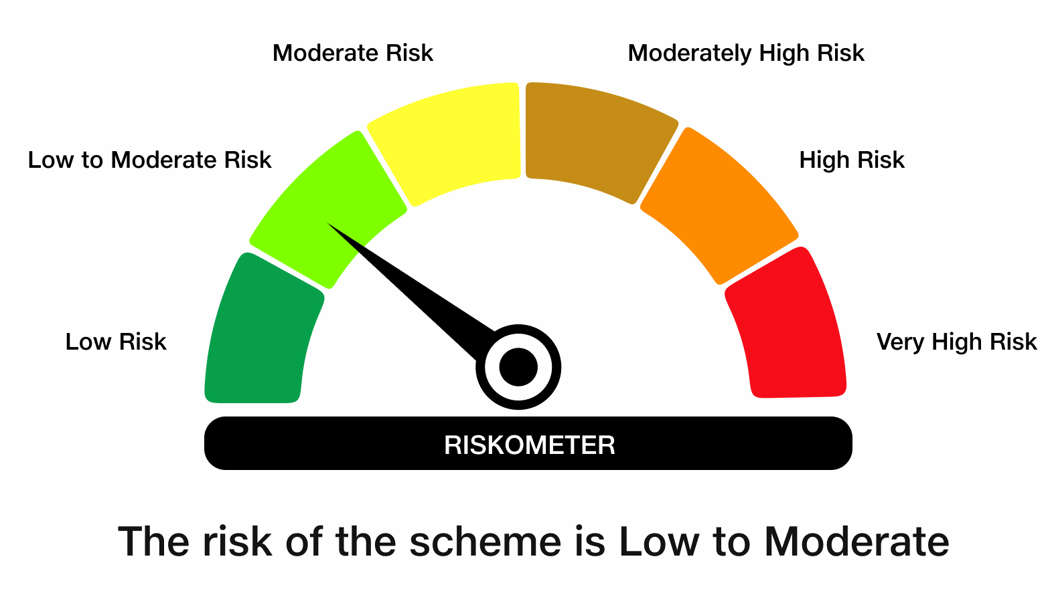

 | Benchmark Risk-O-Meter
 | Benchmark Name - NIFTY Low Duration Debt Index A-I

