JBSHORT
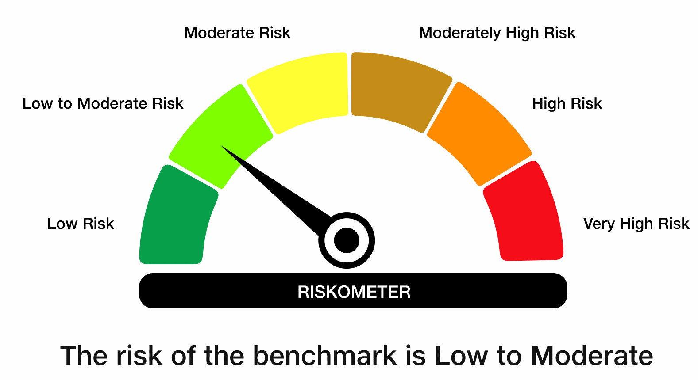
 | JioBlackRock Short Duration Fund
-
 | Fortnightly Portfolio Statement as on August 15, 2026
 | Name of the Instrument | ISIN | Rating | Quantity | Market/Fair Value (Rs. in Lakhs) | % to Net Assets | Yield to Maturity | Yield to Call ^
 | Debt Instruments
 | (a) Listed / awaiting listing on Stock Exchanges
 | 6.68% LIC Housing Finance Ltd (04-Jun-2028) ** | INE115A07PH8 | CRISIL AAA | 100 | 987.32 | 8.76 | 7.44%
 | Sub Total |  |  |  | 987.32 | 8.76
 | (b) Privately Placed / Unlisted
 | Sub Total |  |  |  | Nil | Nil
 | Total |  |  |  | 987.32 | 8.76
 | Money Market Instruments
 | Certificate of Deposit
 | Bank of Baroda (05-Mar-2027) ** | INE028A16LR2 | CRISIL A1+ | 200 | 964.55 | 8.56 | 6.68%
 | National Bank For Agriculture & Rural Development (02-Mar-2027) ** | INE261F16AM2 | CRISIL A1+ | 200 | 964.40 | 8.56 | 6.81%
 | HDFC Bank Ltd (05-Mar-2027) ** | INE040A16IU7 | CRISIL A1+ | 200 | 964.26 | 8.56 | 6.73%
 | Punjab National Bank (09-Mar-2027) ** | INE160A16UQ6 | CRISIL A1+ | 200 | 963.87 | 8.55 | 6.68%
 | Union Bank of India (12-Mar-2027) | INE692A16LU9 | ICRA A1+ | 200 | 963.22 | 8.55 | 6.70%
 | Small Industries Development Bank of India (11-Aug-2027) ** | INE556F16CF5 | CRISIL A1+ | 200 | 933.87 | 8.29 | 7.18%
 | Canara Bank (12-Mar-2027) | INE476A16H92 | ICRA A1+ | 40 | 192.66 | 1.71 | 6.69%
 | Sub Total |  |  |  | 5,946.82 | 52.78
 | Commercial Paper
 | Mahindra & Mahindra Financial Services Ltd (25-Feb-2027) ** | INE774D14TW3 | CRISIL A1+ | 200 | 963.89 | 8.55 | 7.09%
 | Sub Total |  |  |  | 963.89 | 8.55
 | Total |  |  |  | 6,910.71 | 61.34
 | Government Securities
 | 6.94% GOI 2036 (11-MAY-2036) | IN0020260025 | SOVEREIGN | 1,000,000 | 1,012.66 | 8.99 | 6.87%
 | Total |  |  |  | 1,012.66 | 8.99
 | Alternative Investment Fund
 | Corporate Debt Market Development Fund Class A2 | INF0RQ622028 |  | 195 | 23.33 | 0.21
 | Sub Total |  |  |  | 23.33 | 0.21

 | TREPS |  |  |  | 1,291.04 | 11.46 | 5.06%

 | Net Receivables / (Payables) |  |  |  | 1,042.07 | 9.25
 | Grand Total |  |  |  | 11,267.13 | 100.00

 | ** Non Traded Security
 | ^ It is disclosed for Perpetual Bond issued by Banks (i.e. AT-1 Bond / Tier 1 Bond / Tier 2 Bond), as per AMFI Best Practices Guidelines Circular no. 91/2020-21 dated March 24, 2021 on Valuation of AT-1 Bonds and Tier 2 Bonds. As per SEBI Circular SEBI/HO/IMD/PoD1/CIR/P/2024/106 dated August 05, 2024, valuation of AT-1 Bonds are done on Yield to Call basis w.e.f. August 07, 2024. YTC of AT-1 Bonds are now same as it’s YTM% and hence it is not disclosed separately under YTC%.
 | Notes

 | (1) There is no security which is in default beyond its maturity/ interest payment date.
 | (2) Plan/ Option wise per unit net asset value are as follows:

 | Plan/ Option | As on July 31, 2026 | As on August 14, 2026
 | Direct Plan - Growth Option | 1033.2344 | 1037.0951

 | (3) There was no distribution (of income and capital) during the fortnight ended August 15, 2026.
 | (4) Total outstanding exposure in derivative instruments as on August 15, 2026 is Rs. Nil.
 | (5) Total market value of investments in foreign securities/ American Depository Receipts/ Global Depository Receipts as at August 15, 2026 is Rs. Nil.
 | (6) The average maturity period of the portfolio is 1.43 years.
 | (7) Repo transactions in corporate debt securities as on August 15, 2026 is Rs. Nil.

 | Scheme Risk-O-Meter
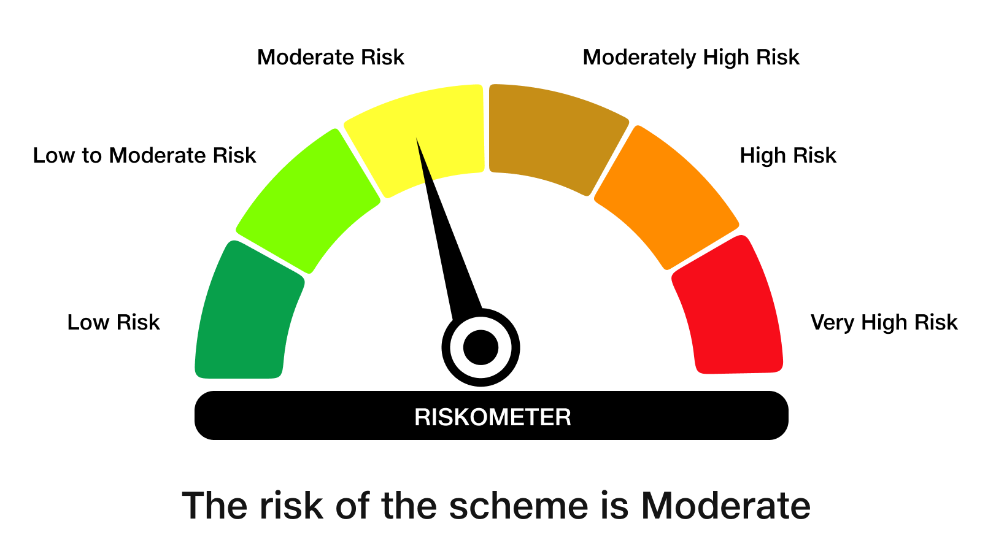

 | Benchmark Risk-O-Meter
 | Benchmark Name - NIFTY Short Duration Debt Index A-II

