JBSHORT
 | JioBlackRock Short Duration Fund
-
 | Fortnightly Portfolio Statement as on May 15, 2026
 | Name of the Instrument | ISIN | Rating | Quantity | Market/Fair Value (Rs. in Lakhs) | % to Net Assets | Yield to Maturity | Yield to Call ^
 | Debt Instruments
 | (a) Listed / awaiting listing on Stock Exchanges
 | 7.64% REC Ltd (30-Apr-2027) ** | INE020B08EX7 | CRISIL AAA | 2,500 | 2,501.11 | 12.87 | 7.57%
 | 7.74% LIC Housing Finance Ltd (22-Oct-2027) ** | INE115A07QZ8 | CRISIL AAA | 2,500 | 2,494.49 | 12.84 | 7.85%
 | Sub Total |  |  |  | 4,995.60 | 25.71
 | (b) Privately Placed / Unlisted
 | Sub Total |  |  |  | Nil | Nil
 | Total |  |  |  | 4,995.60 | 25.71
 | Money Market Instruments
 | Certificate of Deposit
 | Small Industries Development Bank of India (26-Feb-2027) | INE556F16CC2 | CARE A1+ | 480 | 2,266.18 | 11.66 | 7.54%
 | Bank of Baroda (08-Mar-2027) | INE028A16LS0 | CARE A1+ | 480 | 2,264.13 | 11.65 | 7.40%
 | Union Bank of India (16-Mar-2027) | INE692A16LS3 | ICRA A1+ | 460 | 2,166.82 | 11.15 | 7.38%
 | Canara Bank (25-Mar-2027) ** | INE476A16I26 | ICRA A1+ | 300 | 1,410.49 | 7.26 | 7.40%
 | National Bank For Agriculture & Rural Development (02-Mar-2027) ** | INE261F16AM2 | CRISIL A1+ | 200 | 943.73 | 4.86 | 7.51%
 | Canara Bank (12-Mar-2027) ** | INE476A16H92 | ICRA A1+ | 200 | 942.67 | 4.85 | 7.40%
 | Sub Total |  |  |  | 9,994.01 | 51.43
 | Total |  |  |  | 9,994.01 | 51.43
 | Government Securities
 | 7.02% GOI 2027 (27-MAY-2027) | IN0020240043 | SOVEREIGN | 2,500,000 | 2,524.63 | 12.99 | 6.11%
 | 6.36% GOI 2031 (16-FEB-2031) | IN0020250141 | SOVEREIGN | 1,000,000 | 979.98 | 5.04 | 6.98%
 | 5.74% GOI 2026 (15-NOV-2026) | IN0020210186 | SOVEREIGN | 500,000 | 499.96 | 2.57 | 5.71%
 | Total |  |  |  | 4,004.56 | 20.61

 | TREPS |  |  |  | 1,226.48 | 6.31 | 5.07%

 | Net Receivables / (Payables) |  |  |  | (788.15) | (4.06)
 | Grand Total |  |  |  | 19,432.50 | 100.00

 | ** Non Traded Security
 | ^ It is disclosed for Perpetual Bond issued by Banks (i.e. AT-1 Bond / Tier 1 Bond / Tier 2 Bond), as per AMFI Best Practices Guidelines Circular no. 91/2020-21 dated March 24, 2021 on Valuation of AT-1 Bonds and Tier 2 Bonds. As per SEBI Circular SEBI/HO/IMD/PoD1/CIR/P/2024/106 dated August 05, 2024, valuation of AT-1 Bonds are done on Yield to Call basis w.e.f. August 07, 2024. YTC of AT-1 Bonds are now same as it’s YTM% and hence it is not disclosed separately under YTC%.

 | Notes

 | (1) There is no security which is in default beyond its maturity/ interest payment date.
 | (2) Plan/ Option wise per unit net asset value are as follows:

 | Plan/ Option | As on April 30, 2026 | As on May 15, 2026
 | Direct Plan - Growth Option | 1013.4167 | 1014.8228

 | (3) There was no distribution (of income and capital) during the fortnight ended May 15, 2026.
 | (4) Total outstanding exposure in derivative instruments as on May 15, 2026 is Rs. Nil.
 | (5) Total market value of investments in foreign securities/ American Depository Receipts/ Global Depository Receipts as at May 15, 2026 is Rs. Nil.
 | (6) The average maturity period of the portfolio is 1.13 years.
 | (7) Repo transactions in corporate debt securities as on May 15, 2026 is Rs. Nil.

 | Scheme Risk-O-Meter
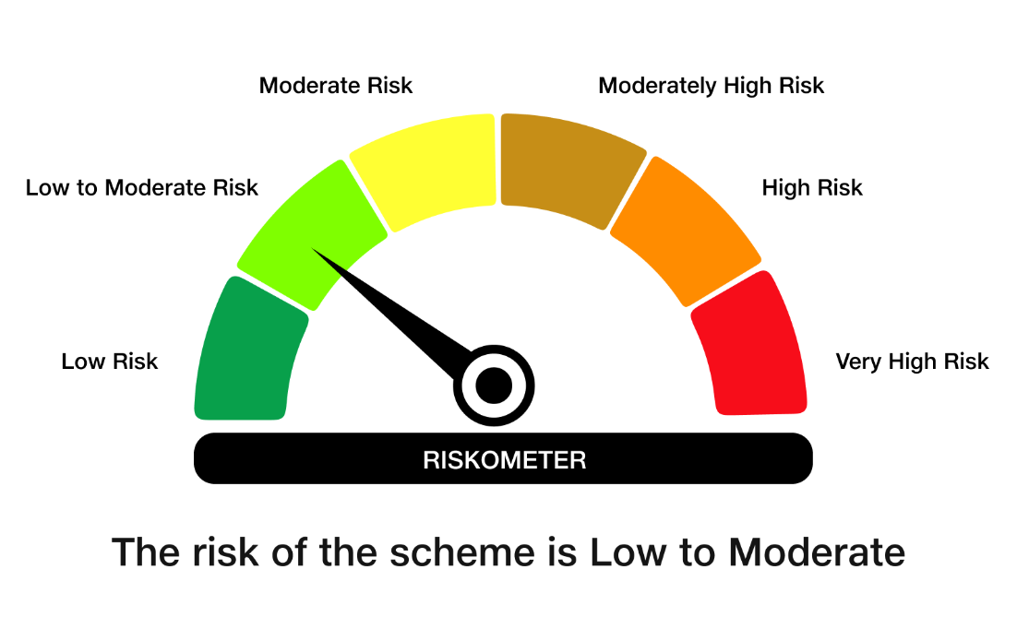

 | Benchmark Risk-O-Meter
 | Benchmark Name - NIFTY Short Duration Debt Index A-II

